Food
Thematic Area Food and Agriculture: The answer should be country-level/institution-level impact derived from the cooperation between your institution and the IAEA technical cooperation programme, including the achievements of other stakeholders involved.
A | Choose the Field of Activities (FoAs) supported by the TCP
 | Mutation Breeding
 | Agricultural water and soil management |  |  |  |  |  |  |  |  | Development level
 | Livestock production |  |  |  |  |  |  |  |  |  | How would you define the level of development of the FoA selected was in your country at the beginning of the century (2000)
 | Insect pest control
 | Food safety |  |  |  |  |  |  |  |  | Mutation Breeding |  | 1 | 2 | 3 | 4 | 5 | 6 | 7 | 8 | 9
 |  |  |  |  |  |  |  |  |  | Agricultural water and soil management |  | 1 | 2 | 3 | 4 | 5 | 6 | 7 | 8 | 9
A.1 | Development level (Output) |  |  |  |  |  |  |  |  | Livestock production |  | 1 | 2 | 3 | 4 | 5 | 6 | 7 | 8 | 9
Equipment | Has your institution received support from TC to set up irradiation equipment? When? |  |  |  |  |  | Y/N | select period
period | Has your institution received support from TC to access an irradiation equipment? When? |  |  |  |  |  | Y/N | select period
HR | Has your institutions received capacity building support through TC projects? |  |  |  |  |  | Y/N
retainer | If yes: Wich % is still working for the institutions? |  |  |  |  |  | 0-100%
 | If yes: which % is still working in the country? |  |  |  |  |  | 0-100%
 | Outcome
A.2. | How would you define the level of development of the FoA selected was in your country at the beginning of the century (2000) |  |  |  |  |  |  |  |  | Insect pest control |  | 1 | 2 | 3 | 4 | 5 | 6 | 7 | 8 | 9
1-9 | (level of developmnet of FoA - preliminary staged (1) to advanced (9) able to act as service provider for your country/region |  |  |  |  |  |  |  |  | Food safety |  | 1 | 2 | 3 | 4 | 5 | 6 | 7 | 8 | 9
A.2.1 | How would you define the level of development of the FoA selected is in your country at the moment (2023)
1-9 | (level of developmnet of FoA - preliminary staged (1) to advanced (9) able to act as service provider for your country/region
A.2.2 | Degree of contribution to the IAEA to the level of development
 | Has the TC Programme contributed to achive these capacities?
0-100% | Degree of contribution ( from: No contribution( 0%) - to: It would have been not possible without the support from the IAEA ( 100%) )
A.2.3 | Is your institution a nuclear and nuclear-derived techniques provider or reciepient in the region/country? |  |  |  |  |  | Matrix: provider/reciepient ///national or regional |  | Recipient/Provider/Both
Service provider | If a provider, select the type of services provided: (multiple responses possible) |  |  |  |  |  | tick option
 | type | a) Advisory services | a) Adoption of plans, policies, programmes or technical standards by national entities
 |  | b) Irradiation / Laboratory/ Calibration/ Health related Services | b) Increased use of a tool, technique, or technology in a sector
 |  | c) provision of training | c) Establishment of a new institution, laboratory, education centre, etc.
 |  | d) Data Collection | d) Production and use of data of knowledge through use of a tool or technique
 |  | e) Data analysis | e) Workforce skill improvement (not directly trained through TC)
 |  | f) Reference products | f) others
A.2.4 | Using one word, how would you express the value added by IAEA’s support in the thematic area of food and agriculture?

B. | Indicators of success for each type of achievement
B.1 | Increase sustainable crop and improve climate resilience in agriculture
Outcome | Are you applying enhanced biotechnology and accelerated mutation and at what stage |  |  |  | Do we need a specific level of developmtn definition by FoA? Stage definition
 | level of development: StageI; Stage II; Stage III, Stage IV [ Seeds irradiation capacities/// Mutated lines/// Mutated varieties// Farmer's distributions// Commercialization
 | ## of mutant lines developed and Nr of varietes in commertial use
Achievements | What improvements have been verified in the new breeds?
 | 0-5% increased productivity | 05-30% | 30-50% | >50%
 | Quality Traits | Draughts resilience | Pests resilient | Resilient to Climate Change
 | ## mutant varietes have been released for farmers |  | Crop | Forage | Ornamental plants |  | Fruits Tree | Others
Scale-up | is your institutions taking part of any national seed distributioin programmes?
(optional) | How many areas hectares are covered by mutant varieties ? |  | Crop | Forage | Ornamental plants |  | Fruits Tree | Others
 | N/A

 | Increase sustainable animal production/livestock productivity
Outcome | Is your institution employing animal nutrition evaluation technologies and feeding strategies? |  |  |  |  | Y/N
 | Is your institution employing animal reproduction, breeding and genetics technologies? |  |  |  |  | Y/N
 | Is your institution employing early and confirmatory animal disease diagnostic and control technologies? |  |  |  |  | Y/N
 | Is your institution participating in the IAEA VETLAB and ZODIAC initiatives? |  |  |  |  | Tick one of the two options (VETLAB// ZODIAC)
 | Define the develeopment Stage
 | Is your institution disseminating animal breeding and reproduction strategies? |  |  |  |  | Y/N
Scale-up | Is your institution particpatingin national programmes on livestock productivity increased?
 | Degree of improved productivity increased by :
 | a) Livestock reporting increased productivity due to improved forrage
 | b) Increased productivity due to better breeding techniques
 | c) Reduction in lost productivity due to increased pest control
 | Information available regarding more and better quality milk and meat produced? |  |  |  |  | Y/N | Link/upload any written evidence /name the report

B.2 | Improve surveillance, detection, and control of major insect pests of Agricultural and Veterinary importance, including emerging or re-emerging zoonotic diseases
 | Is/ has been your center supported in developing, planning and implementing regional or area-wide strategies for pest control
 | Is there an insectariums establised and operational (fruit flies, mosquitos, etc.)
 | Has your institution the capacities to establish a pest control intervention?
 | Percent reduction in insect/pest population a due to insect control applying SIT? |  |  | 0-5% | 05-15% | 15-30% | >30%
 | Has your institution been monitoring the reduction of # number of cases of zoonotic-borne diseases
 | Y/N | 0-5% | 05-15% | 15-30% | >30%
Scale-up | Is your intitution participating in insect eradication and pest control programmes applied in agriculture and livestock health |  |  |  |  | y/n
 | Is your intitution part of a contingency Plan set up by the Government to effectively respond to an outbreak of an invasive regulated insect pest and vectors? |  |  |  |  | y/n
optional | # hectares of crops and livestock production are being protected through the use of SIT
optional | the volume of food exports increased by ## (the percent increase) from areas where SIT is being used.
 |  |  | 0-5% | 05-15% | 15-30% | >30%
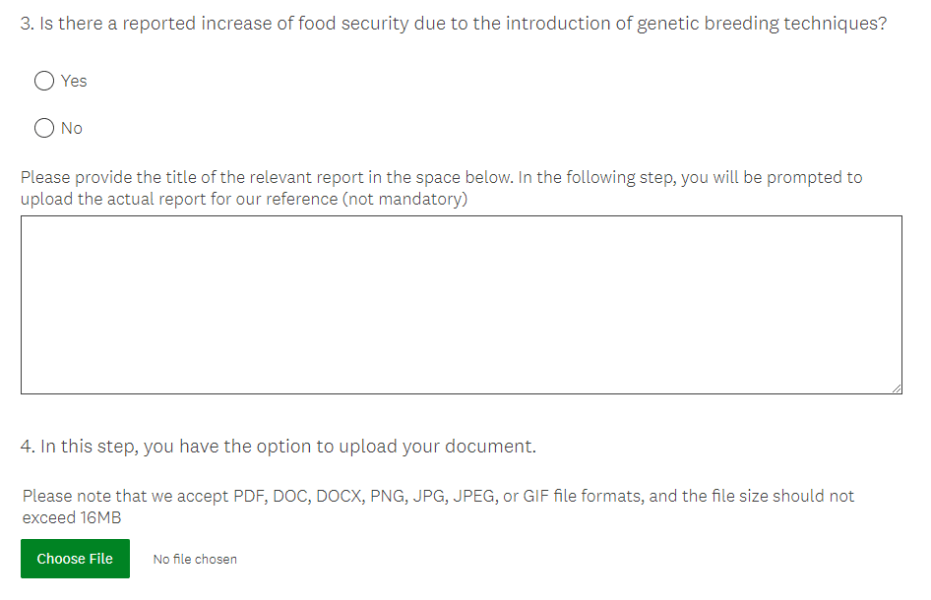
optional | # ( the percent reduction) reduced in the use of insecticides as a result of introducing the SIT.
 |  |  | 0-5% | 05-15% | 15-30% | >30%
optional | A surveillance system in place for timely detection of invasive regulated insect pests and vectors.

B.3 | Ensure food safety and quality for protection of consumers and to facilitate international trade.
B.3.1 | Improve food authenticity, quality and reduce contaminants and residues in the food supply
 | # food authenticity incidents detected using nuclear, stable isotope, and/or complementary techniques.
 | # competent food safety laboratories actively involved in routine testing.
 | # accredited food safety analytical procedures and laboratories.
 | # regulations available promoting control of contaminants and residues in foods
 | Are there new regulations? |  | Y/N | Link/upload any written evidence /name the report
 | # kind of foodstuff now accessing international markets as a result of improved laboratory testing and establishment of surveillance programmes.
 | # (%) estimate of food safety clientele served by laboratories

B.3.2 | Food irradiation
 | Increased volume of irradiated products traded
 | 0-25% | 25-50% | 50-75% | >75%
 | Purpose of food irradiation? |  | internal markets | exports | others
 | Reduced post-harvest losses in food production thanks to irradiation
 | 0-5% | 05-15% | 15-30% | >30%
 | ## regulations in effect promoting food irradiation |  | Y/N | Link/upload any written evidence /name the report
 | Are there new regulations?

B.5 | Agricultural soil, water and crop nutrition management
 | ## (%) increase in crop production as a result of improved water use efficiency
 | ## (%) increase in crop production as a result of improved nutrient use efficiency
 | ## (square meters) acreage of the area where soil conservation measures were applied
 | ## (%) the soil erosion was reduced due to implementing soi conservation

